Portfolio Positions
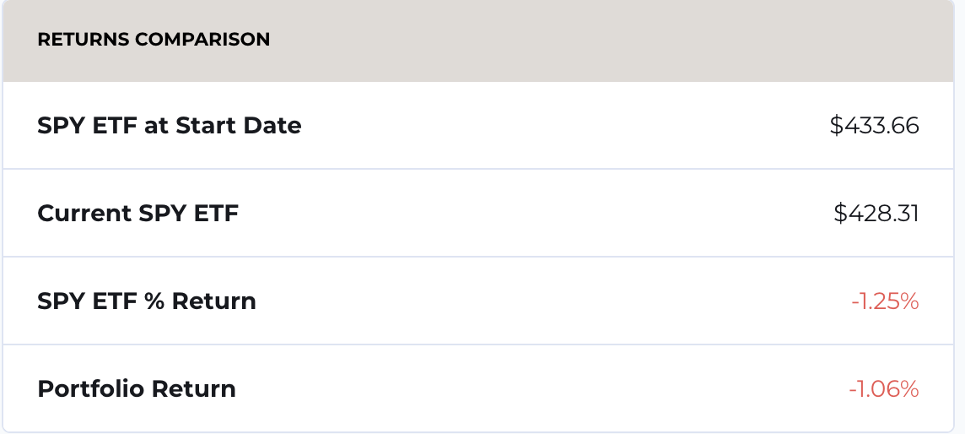
Portfolio Simulation, my portfolio, select Portfolio Summary
Fill in Cash Below

Starting Balance | $100,000.00
Cash Balance (positive or negative allowed) | $102.24
Percentage | 0.10%

1. Is this number below the absolute value of 5%? (Y/N) | Y
2. Are you running an all-stock portfolio?* (Y/N) | Y

*If the percent in 1 is at or below 5% (absolute value), you are running an all-stock portfolio as long as you invested in only stocks or stock ETFs.
If the percent in 1 is above 5%, you are running a part cash portfolio and not meeting the objective by which you "sold" the fund to investors.
If the percent in 1 is more negative than -5%, you are using too much leverage and are running a riskier fund than the objective by which you "sold" the fund to investors.
I allowed you + 5% or -5% cash but most students will be lower than this range.
If not, shoot me an email and we can talk about what to do.

3. From Portfolio Summary, screenshot below the "Returns Comparison"

Portfolio Summary export
Portfolio Summary
Graph My Portfolio
See Historical Portfolio Values
Export, then copy and paste below
Cut any data beyond date and value
Right click and format date if you like

1. At the end of values, apply this: = (end value - beg value)/ beg value and format as a percentage
2. Graph the portfolio.

Jahnavi Stock
 | Date | Value
 | 2023-10-12 | 100000
 | 2023-10-13 | 98702.4
 | 2023-10-14 | 98702.4
 | 2023-10-15 | 98702.4
 | 2023-10-16 | 99745.21
 | 2023-10-17 | 99702.59
 | 2023-10-18 | 98561.02
 | 2023-10-19 | 97779.42
 | 2023-10-20 | 96622.061
 | 2023-10-21 | 96622.061
 | 2023-10-22 | 96622.061
 | 2023-10-23 | 96558.251
 | 2023-10-24 | 97327.731
 | 2023-10-25 | 96184.641
 | 2023-10-26 | 94786.891
 | 2023-10-27 | 94719.001
 | 2023-10-28 | 94719.001
 | 2023-10-29 | 94719.001
 | 2023-10-30 | 96066.731
 | 2023-10-31 | 96598.721
 | 2023-11-01 | 97809.631

 |  | -2.19%

